Sheet1
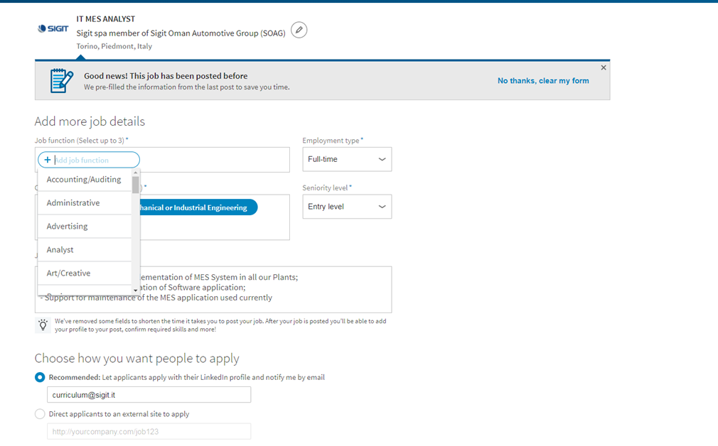
CATEGORY | SUB-CATEGORY | KEY | TYPE OF KEY | MANDATORY | DESCRIPTION
PRODUCT DESCRIPTION
 | Product details
 |  | Raw material type | TEXT | YES/NO | to always be expected
 |  | Weight | TEXT | YES/NO | to always be expected
 |  | Colour | TEXT | YES/NO | to always be expected
 | Product funtions
 |  | Aspect | YES/NO | YES/NO | to always be expected
 |  | Carrier | YES/NO | YES/NO | to always be expected
 |  | Multicolour | YES/NO | YES/NO | to always be expected
MOLD DESCRIPTION
 | Mold details
 |  | N. cavities | TEXT | YES/NO | to always be expected
 |  | N. life molded | TEXT | YES/NO | to always be expected
 |  | Press for serial production (TON) | TEXT | YES/NO | to always be expected
 |  | Press for backup (TON) | TEXT | YES/NO | to always be expected
 |  | Target cycle time molded (sec) | TEXT | YES/NO | to always be expected
 |  | Steel type for cavities | TEXT | YES/NO | to always be expected
 |  | Surface treatments | TEXT | YES/NO | to always be expected
 | Type of injection
 |  | Removal automatic sprue | SELECT | AUTOMATIC YES. Not create the specific field | to always be expected
 |  | PCS with sprue | SELECT | AUTOMATIC YES. Not create the specific field | to always be expected
 |  | Direct to cavity | SELECT | AUTOMATIC YES. Not create the specific field | to always be expected
 | Type of injection system
 |  | Hot runner with valve gate | TEXT | YES/NO | to always be expected
OTHER SERVICES
 | Mold flow simulation
 |  | Filling | SELECT | AUTOMATIC YES. Not create the specific field | to always be expected
 |  | Cooling | SELECT | AUTOMATIC YES. Not create the specific field | to always be expected
 |  | Shrinkage | SELECT | AUTOMATIC YES. Not create the specific field | to always be expected
 |  | Warpage | SELECT | AUTOMATIC YES. Not create the specific field | to always be expected
 | Type of extraction conditions
 |  | Manual | SELECT | AUTOMATIC YES. Not create the specific field | to always be expected
 |  | With robot and gripper | SELECT | AUTOMATIC YES. Not create the specific field | to always be expected
 |  | Free fall | SELECT | AUTOMATIC YES. Not create the specific field | to always be expected
 | Mold dimensional report
 |  | Cavity side | SELECT | AUTOMATIC YES. Not create the specific field | to always be expected
 |  | Core side | SELECT | AUTOMATIC YES. Not create the specific field | to always be expected
 | Product dimensional report
 |  | Product dimensional report | YES/NO | YES/NO | to always be expected
 | Transport
 |  | Delivery | SELECT | AUTOMATIC YES. Not create the specific field | to always be expected

We added two new fields CATEGORY and SUB-CATEGORY

Type of Key: add SELECT and remove

Value: When Type of Key is SELECT, Value is a Menu in which is possible to select the necessary values (e.g.: Image below)

